Engine Disassy 12V140 (WA800)
DISASSEMBLY CHECK SHEET |  |  |  |  |  |  |  |  |  |  | JOB NUMBER |  |  |  |  |  |  |  |  |  |  | DOCUMENT NO. |  |  | QR02-ENG-001
 |  |  |  |  |  |  |  |  |  |  | ENGINE MODEL |  |  |  |  | 12V140-1,2 |  |  |  |  |  | PUBL. DATE |  |  | 01/08/2008
KOMATSU ENGINE 12V140-1,2 |  |  |  |  |  |  |  |  |  |  | ENGINE SER. NO |  |  |  |  |  |  |  |  |  |  | REVISION NO. |  |  | 04
 |  |  |  |  |  |  |  |  |  |  | MACHINE MODEL |  |  |  |  |  |  |  |  |  |  | PAGE

PROCESS |  |  |  | START |  |  |  |  |  |  |  |  |  |  |  | DISASSEMBLY BY
 |  |  |  | FINISH

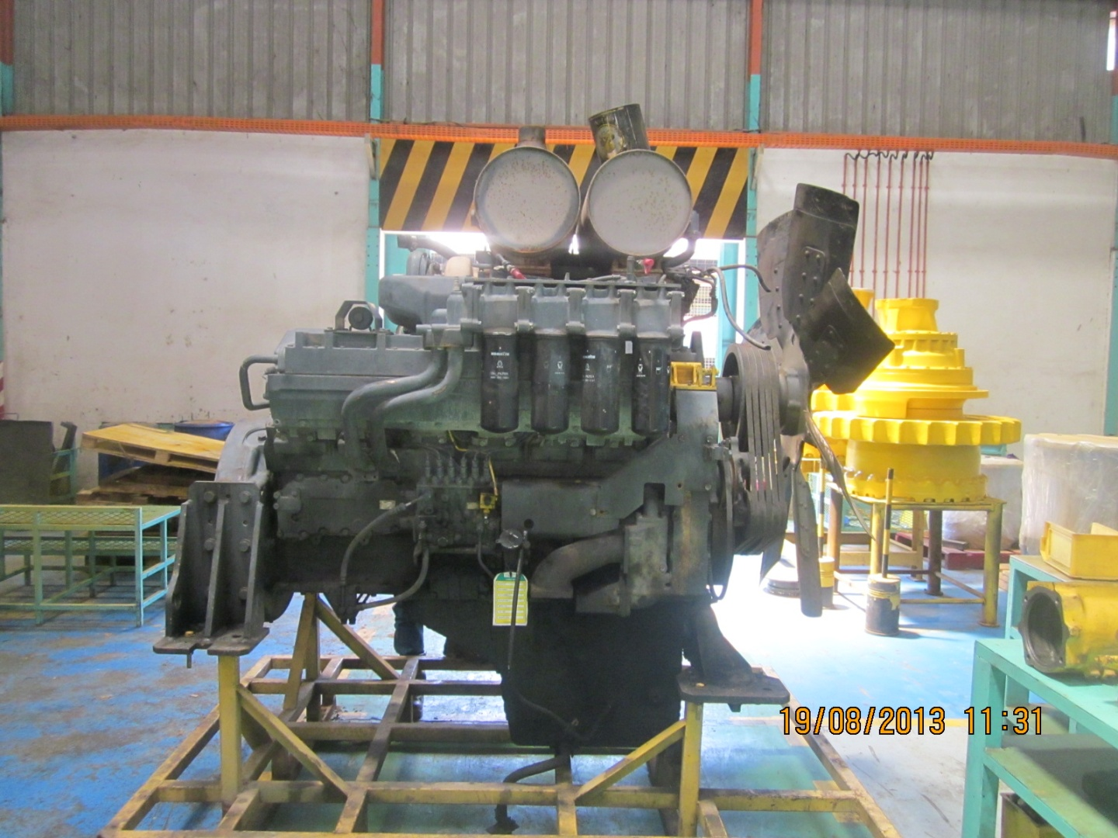
NO. | PARTS TO REMOVE OR INSPECT |  | CONDITIONS TO BE INSPECTED |  |  |  |  |  |  |  |  |  |  |  |  |  | SALVAGE | REPLACE | SKETCH DRAWING,OR PHOTOES |  |  |  |  |  |  | REMARKS
1 | Engine ass'y |  | • | Setting engine to engine stand
 |  |  |  |  | Prepare to stable engine stand that will prevent
 |  |  |  |  | the engine from falling over, the set the engine
 |  |  |  |  | assembly on the stand and secure it in position.

 |  |  | • | Drain engine oil from oil pan (the amount of oil
 |  |  |  | differs according to the machine model)

2 | Oil Filter, Fuel Filter |  | • | Remove and inspect the oil filter housing and lines
 | and |  |  | for damage to pipes, threads, bypass valves, etc
 | Corrosion Resistor
 |  |  | • | Remove corrosion resistor, tubes and mount.
 |  |  |  | Inspect for damage.
 |  |  | • | Inspect the fuel filter housing for cracks, pulled
 |  |  |  | threads and damage to fittings.

3 | Starter Motor |  | • | Please note if not fitted to engine. |  |  |  |  |  |  |  |  |  | UPPER
 |  |  |  |  |  |  |  |  |  |  |  |  |  | LOWER
 | Alternator |  | • | Please note if not fitted to engine.

CHECK BY SUB ASSY 3

4 | Compressor pipes |  | • | Remove air compressor pipes and inspect for
 |  |  |  | damage.

5 | Turbocharger |  | • | Remove Turbocharger, mounting bolts and |  |  |  |  |  |  |  |  |  |  | LH
 |  |  |  | adapters. |  |  |  |  |  |  |  |  |  |  | RH
 |  |  | • | Remove turbo oil line fittings. Check pipes
 |  |  |  | and connections.

6 | Exhaust Manifold |  | • | Remove and inspect for cracks, pulled |  |  |  |  |  |  |  |  | RH | FRONT
 |  |  |  | threads, snapped studs and |  |  |  |  |  |  |  |  |  | CENTRE
 |  |  |  | missing bolts. |  |  |  |  |  |  |  |  |  | REAR
 |  |  |  |  |  |  |  |  |  |  |  |  | LH | FRONT
 |  |  |  |  |  |  |  |  |  |  |  |  |  | CENTRE
 |  |  | • | Doing Colour Check inspection |  |  |  |  |  |  |  |  |  | REAR
 |  |  |  | joint with QA Officer
CHECK BY SUB ASSY 2
7 | After Cooler |  | • | Check for pulled threads and missing bolts. |  |  |  |  |  |  |  |  |  |  | LH
 |  |  | • | Remove aftercooler and check for damage, |  |  |  |  |  |  |  |  |  |  | RH
 |  |  |  | water leaks, dust entry etc.
 |  |  | • | Check aftercooler water tubes for cracks,
 |  |  |  | corrosion and any other damage.

NO. | PARTS TO REMOVE OR INSPECT |  | CONDITIONS TO BE INSPECTED |  |  |  |  |  |  |  |  |  |  |  |  |  | SALVAGE | REPLACE | SKETCH DRAWING,OR PHOTOES |  |  |  |  |  |  | REMARKS
8 | Injection Lines |  | • | Remove all lines and clamps. Check for wear
 | and Clamps |  |  | and damage.
 |  |  |  | RH |  | 1 | 2 |  | 3 | 4 |  | 5 |  | 6

 |  |  |  | LH |  | 1 | 2 |  | 3 | 4 |  | 5 |  | 6

CHECK BY F I P
9 | Fuel Injection Pump |  | • | Remove pump and mount, and inspect for |  |  |  |  |  |  |  |  |  |  | RH
 |  |  |  | damage, missing parts and wear. |  |  |  |  |  |  |  |  |  |  | LH
 |  |  | • | Check fuel pump oil lines for damage and
 |  |  |  | stripped threads.
 |  |  | • | Remove and check that fuel pump supply
 |  |  |  | and return lines are in good condition.
 |  |  | • | Check the fuel pump drive coupling for
 |  |  |  | signs of wear
 |  |  | • | Check the fuel pump boost tube and clamps for
 |  |  |  | damage.

10 | Water Pump |  | • | Check for evidence of leakage.
 |  |  | • | Check for signs of wear and damage.

11 | Breather |  | • | Remove and inspect the breather and tube |  |  |  |  |  |  |  |  |  |  | LH
 |  |  |  |  |  |  |  |  |  |  |  |  |  |  | RH
 |  |  |  | • | The water pump is held by two mounting bolts
 |  |  |  |  | at the front and two mounting bolts at the rear

12 | Air Compressor |  | • | Check for damage and obvious signs of |  |  |  |  |  |  |  |  |  | FRONT
 |  |  |  | wear. |  |  |  |  |  |  |  |  |  | REAR
 |  |  |  | • | Remove front compressor with spline shaft
 |  |  |  | • | Remove rear compressor with gear

13 | Oil Cooler |  | • | Check oil cooler housing for cracks and pulled
 |  |  |  | threads.
 |  |  | • | Check oil cooler for dents and leaks.

14 | Oil Filler and |  | • | Remove oil filler and oil level gauge, check for
 | Oil Level Gauge |  |  | dents and cracks

15 | Rocker Covers |  | • | Remove Rocker Arm cover and check for cracks
 | and |  |  | and damage to seal face.
 | Rocker Housing |  |  | Note :

NO. | PARTS TO REMOVE OR INSPECT |  | CONDITIONS TO BE INSPECTED |  |  |  |  |  |  |  |  |  |  |  |  |  | SALVAGE | REPLACE | SKETCH DRAWING,OR PHOTOES |  |  |  |  |  |  | REMARKS
16 | Rocker Arm |  | • | Remove rocker arms and shafts and check
 |  |  |  | for wear and other damage.
 |  |  | • | Check the contact area on the crossheads are
 |  |  |  | from scuffing and wear.
 |  |  | • | Check the pushrods for bends and other
 |  |  |  | damage.

CHECK BY SUB ASSY 1
17 | Cylinder Head |  | • | Check cylinder head bolts for pin punch marks.
 |  |  |  | If there are five marks, renew bolts.
 |  |  | • | Check the exhaust face condition and bolt
 |  |  |  | holes for pulled threads.
 |  |  | • | Check the head surface for water marks or
 |  |  |  | damage.
 |  |  | • | Doing Colour Check inspection joint with QA Officer

18 | Cam Followers |  | • | Inspect cam followers for damage to the
 |  |  |  | contact surface of the rollers.
 |  |  | • | Check condition of covers.
 |  |  |  |  | The mounting bolts of the cam follower is
 |  |  |  |  | a special bolt, so keep it in a safe place and
 |  |  |  |  | be careful not to lose it

19 | Thermostat housing |  | • | Disconect thermostat case and thermostat
 |  |  |  | housing and check condition for cracked and
 |  |  |  | damage.
 | Thermostat case |  | • | Check surface contact thermostat

20 | Vibration Damper |  | • | Check vibration damper for damage.
 | and Pulleys |  | • | Check pulleys for damage and wear.
 |  |  | • | Check belt tensioner for wear.
 |  |  | • | Check front trunnion mount.

21 | Oil Pan |  | • | Remove pan and check for dents and cracks.
 |  |  | • | Check oil level sensor
 |  |  | • | Check drain plug for pulled threads
 |  |  | • | Check oil pick up pipe for cracks in the welds
 |  |  | • | Check screen for damage.

22 | Front Support and |  | • | Remove and inspect front cover for damage
 | Timing Cover |  | • | Check surface condition of seal running area
 |  |  |  | on front shaft.

NO. | PARTS TO REMOVE OR INSPECT |  | CONDITIONS TO BE INSPECTED |  |  |  |  |  |  |  |  |  |  |  |  |  | SALVAGE | REPLACE | SKETCH DRAWING,OR PHOTOES |  |  |  |  |  |  | REMARKS
23 | Timing Gears |  | • | Inspect and record condition of individual
 |  |  |  | gears. Check for chipped teeth, cracks,
 |  |  |  | excessive backlash and end float.

 |  |  | • | Check shafts and bearings for wear.

 |  |  | • | Measure thickness of thrust plates for wear.
 |  |  | • | Check alternator drive.
 |  |  | • | Check fuel pump drive.
 |  |  | • | Check accessory drive.
 |  |  | • | Check water pump drive.

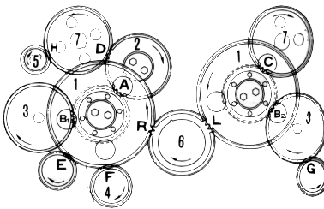
 |  |  |  |  |  |  |  |  |  |  |  |  | Unit : mm
 |  |  |  |  |  | Backlash |  | Measured |  |  | End Play |  |  | Measured
 |  |  |  | A . A |  | 0.130 - 0.390 |  |  |  | 1 | 0.07 - 0.18 |  |  | RH
 |  |  |  |  |  |  |  |  |  |  |  |  |  | LH
 |  |  |  | B1. B1 |  | 0.051 - 0.469 |  |  |  | 2 | 0.07 - 0.18
 |  |  |  | B2. B2 |  | 0.051 - 0.469 |  |  |  | 3 | 0.07 - 0.20 |  |  | RH
 |  |  |  |  |  |  |  |  |  |  |  |  |  | LH
 |  |  |  | C . C |  | 0.129 - 0.391 |  |  |  | 4 | 0.03 - 0.088
 |  |  |  | D. D |  | 0.129 - 0.391 |  |  |  | 5 | 0.1 - 0.4
 |  |  |  | E. E |  | 0.052 - 0.481 |  |  |  | 6 | 0.14 - 0.32
 |  |  |  | F . F |  | 0.137 - 0.421 |  |  |  | 7 | 0.10 - 0.25 |  |  | RH
 |  |  |  |  |  |  |  |  |  |  |  |  |  | LH
 |  |  |  | G . G |  | 0.106 - 0.381
 |  |  |  | H . H |  | 0.085 - 0.492
 |  |  |  | L . L |  | 0.141 - 0425
 |  |  |  | R . R |  | 0.141 - 0.425

24 | Camshaft |  | • | Check camshaft journals for wear.
 |  |  | • | Check end float of camshaft.
 |  |  | • | Check cam surfaces for wear and other
 |  |  |  | damage
 |  |  | • | Check camshaft for bends.

25 | Flywheel and |  | • | Check bolts and bolt holes.
 | Flywheel Housing |  | • | Check pilot bearing hole.
 |  |  |  | Inspect ring gear for chipped and worn teeth.
 |  |  | • | Check housing for cracks, check bolt holes.

26 | Oil Pump Ass'y |  | • | Check pump O-rings at inlet and outlet ports.
 |  |  | • | Check pump for wear and damage.

 | Piston Cooling |  | • | grooves, skirts and clodge
 | Nozzles |  |  | RH |  | 1 | 2 |  | 3 | 4 |  | 5 |  | 6

 |  |  |  | LH |  | 1 | 2 |  | 3 | 4 |  | 5 |  | 6

NO. | PARTS TO REMOVE OR INSPECT |  | CONDITIONS TO BE INSPECTED |  |  |  |  |  |  |  |  |  |  |  |  |  | SALVAGE | REPLACE | SKETCH DRAWING,OR PHOTOES |  |  |  |  |  |  | REMARKS
27 | Connecting Rods |  | • | Check con rod for cracks and damage.
 |  |  | • | Check big end bore for scratches or distortion.
 |  |  | • | Check for damage on mating face of cap.

 |  |  |  | RH/LH |  | 1 | 2 |  | 3 | 4 |  | 5 |  | 6

 |  |  | • | Standard side clereance (End Play)
 |  |  |  | 0.3 ~ 0.454 mm

28 | Pistons |  | • | Measure wear on piston skirt, ring grooves and
 |  |  |  | pin bore
 |  |  |  | RH |  | 1 | 2 |  | 3 | 4 |  | 5 |  | 6

 |  |  |  | LH |  | 1 | 2 |  | 3 | 4 |  | 5 |  | 6

29 | Crankshaft
 |  |  | • | Inspect main and pin journals for scratches,
 |  |  |  | wear, cracks and discoloration.
 |  |  | • | Check that oil holes are not blocked.
 |  |  | • | Check fillet area for scratches.
 |  |  | • | Determine wear by measuring Æ of journals.
 |  |  | • | Check seal surface condition.
 |  |  | • | Check cap bolts for number of punch marks.
 |  |  | • | Check cap fit to block.

 |  |  | • | Punch S/N engine at the front face of all main bering cap match with S/N engine block

30 | Cylinder Liners |  | • | Check for pitting and cracks on the outer
 |  |  |  | circumference of the Cylinder liner
 |  |  | • | Inspect the inner surface for scoring and corrosion.
 |  |  | • | Check for pitting damage on seal grooves.
 |  |  | • | Measure inside Æ, roundness and cylindricity of
 |  |  | • | Cylinder liner

 |  |  |  |  |  | 1 | 2 |  | 3 | 4 |  | 5 |  | 6
 |  |  |  | RH
 |  |  |  | LH

CHECK BY MACHINING
31 | Cylinder Block |  | • | Check for cracks in the block, especially in the
 |  |  |  | bolt hole part of the cylinder head.
 |  |  | • | Inspect the lower liner seal area.
 |  |  | • | Check the blind plug surface for corrosion.
 |  |  | • | Check all threads.
 |  |  | • | Check mounting surface of cylinder head for
 |  |  |  | distortion and corrosion.
 |  |  | • | Check for clogging of oil and water holes.
 |  |  | • | Doing Colour Check inspection joint with QA Officer

 |  | INSPECTION BY |  |  |  |  |  |  |  |  |  |  |  |  |  |  |  |  |  |  | APPROVAL BY

 |  | MECHANIC |  |  |  |  |  |  |  |  |  |  |  |  |  |  |  |  |  |  | PROD. SUPERVISOR (SPV)
 | ATTACHED
 | OUTSIDE DIAMETER OF CRANKSHAFT PIN JOURNAL AND MAIN JOURNAL
 | 6D170 - 3 Series |  |  |  |  |  |  |  |  |  |  |  |  |  |  |  |  | Unit : mm
 | Size |  |  | Main Journal |  |  |  |  |  |  |  | Pin Journal
 |  |  |  | Standard Size |  |  |  | Reman Limit |  |  |  | Standard Size |  |  |  |  | Reman Limit
 | Standard |  |  | 140.000 |  |  |  | 139.910 |  |  |  | 108.000 |  |  |  |  | 107.910
 | 0.25 US |  |  | 139.750 |  |  |  | 139.660 |  |  |  | 107.750 |  |  |  |  | 107.660
 | 0.50 US |  |  | 139.500 |  |  |  | 139.410 |  |  |  | 107.500 |  |  |  |  | 107.410
 | 0.75 US |  |  | 139.250 |  |  |  | 139.160 |  |  |  | 107.250 |  |  |  |  | 107.160
 | 1.00 US |  |  | 139.000 |  |  |  | 139.910 |  |  |  | 107.000 |  |  |  |  | 106.910
 | Out of Roundness |  |  | 0 - 0.010 |  |  |  | 0.010 |  |  |  | 0 - 0.010 |  |  |  |  | 0.010
 | Tolerance : | - 0.025

 | 6D140 - 3 Series |  |  |  |  |  |  |  |  |  |  |  |  |  |  |  |  | Unit : mm
 | Size |  |  | Main Journal |  |  |  |  |  |  |  | Pin Journal
 |  |  |  | Standard Size |  |  |  | Reman Limit |  |  |  | Standard Size |  |  |  |  | Reman Limit
 | Standard |  |  | 120.000 |  |  |  | 119.830 |  |  |  | 90.000 |  |  |  |  | 89.880
 | 0.25 US |  |  | 119.750 |  |  |  | 119.630 |  |  |  | 89.750 |  |  |  |  | 89.630
 | 0.50 US |  |  | 119.500 |  |  |  | 119.830 |  |  |  | 89.500 |  |  |  |  | 89.380
 | 0.75 US |  |  | 119.250 |  |  |  | 119.130 |  |  |  | 89.250 |  |  |  |  | 89.130
 | 1.00 US |  |  | 119.000 |  |  |  | 118.880 |  |  |  | 89.000 |  |  |  |  | 88.880
 | Out of Roundness |  |  | 0 ~ 0.010 |  |  |  | 0.020 |  |  |  | 0 ~ 0.010 |  |  |  |  | 0.020
 | Tolerance : | - 0.020

 | 12V140 - 1, 2 Series |  |  |  |  |  |  |  |  |  |  |  |  |  |  |  |  | Unit : mm
 | Size |  |  | Main Journal |  |  |  |  |  |  |  |  | Pin Journal
 |  |  |  | Standard Size |  |  |  |  | Reman Limit |  |  |  | Standard Size |  |  |  |  | Reman Limit
 | Standard |  |  | 148.000 ~ 147.980 |  |  |  |  | 147.880 and less |  |  |  | 100.000 ~ 99.980 |  |  |  |  | 99,880 and less
 | 0.25 US |  |  | 147.750 ~ 147.730 |  |  |  |  | 147.630 and less |  |  |  | 99.750 ~ 99.730 |  |  |  |  | 99,630 and less
 | 0.50 US |  |  | 147.500 ~ 147.480 |  |  |  |  | 147.380 and less |  |  |  | 99.500 ~ 99.480 |  |  |  |  | 99,380 and less
 | 0.75 US |  |  | 147.250 ~ 147.230 |  |  |  |  |  |  |  |  | 99.250 ~ 99.230 |  |  |  |  | 99,130 and less
 | 1.00 US |  |  | 147.000 ~ 146.980 |  |  |  |  |  |  |  |  | 99.000 ~ 98.980 |  |  |  |  | 98,880 and less
 | Out of Roundness |  |  | 0.010 and less |  |  |  |  | 0.011 and more |  |  |  | 0.010 and less |  |  |  |  | 0,011 and more
 | Tolerance : |  | - 0.020

 | OUTSIDE DIAMETER OF CAMSHAFT JOURNAL AND CAM HEIGHT
 | 12V140 - 1,2 Series |  |  |  |  |  |  |  |  |  |  |  |  | 6D140-3 Series |  |  |  |  |  |  |  |  | Unit : mm
 | Cam Height |  | Std Size |  |  | Tolerance |  |  | Repair limit |  |  |  |  | Cam Height |  |  |  |  |  | Std Size |  | Tolerance |  | Repair limit
 | Intake |  | 55.48 |  |  | ± 0.1 |  |  | 55.08 |  |  |  |  | Intake |  |  |  |  |  | 55.48 |  | ± 0.1 |  | 55.08

 | Exhaust |  | 55.75 |  |  | ± 0.1 |  |  | 55.35 |  |  |  |  | Exhaust |  |  |  |  |  | 55.75 |  | ± 0.1 |  | 55.35

 | OD Chamshaft Journal |  | Std Size |  |  | Tolerance |  |  | Repair limit |  |  |  |  | OD Chamshaft Journal |  |  |  |  |  | Std Size |  | Tolerance |  | Repair limit
 | STD |  | 65 |  |  | -0.016 |  |  |  |  |  |  |  | STD |  |  |  |  |  | 65 |  | -0.016 |  | -
 |  |  |  |  |  | -0.036 |  |  |  |  |  |  |  |  |  |  |  |  |  |  |  | -0.036

 | 6D170 - 3 Series |  |  |  |  |  |  | Unit : mm
 | Cam Height |  | Std Size |  |  | Tolerance |  |  | Repair limit
 | Intake |  | 89.8 |  |  | +0.1081 |  |  | 89.20
 |  |  |  |  |  | -0.0919
 | Exhaust |  | 90.1 |  |  | +01688 |  |  | 88.80
 |  |  |  |  |  | -0.0312
 | OD Chamshaft Journal |  | Std Size |  |  | Tolerance |  |  | Repair limit
 | STD |  | 105 |  |  | -0.042 |  |  | 104.88
 |  |  |  |  |  | -0.072

